Solver
Juice Shop

 |  | Mangos | Banana | Chocolate |  |  |  | Changing value by solver
 | Quatity | 8.3333333333 | 0 | 13.333333333 | Budget | 1000 |  | Maxmize target
 |  |  |  |  | Space Budget | 60
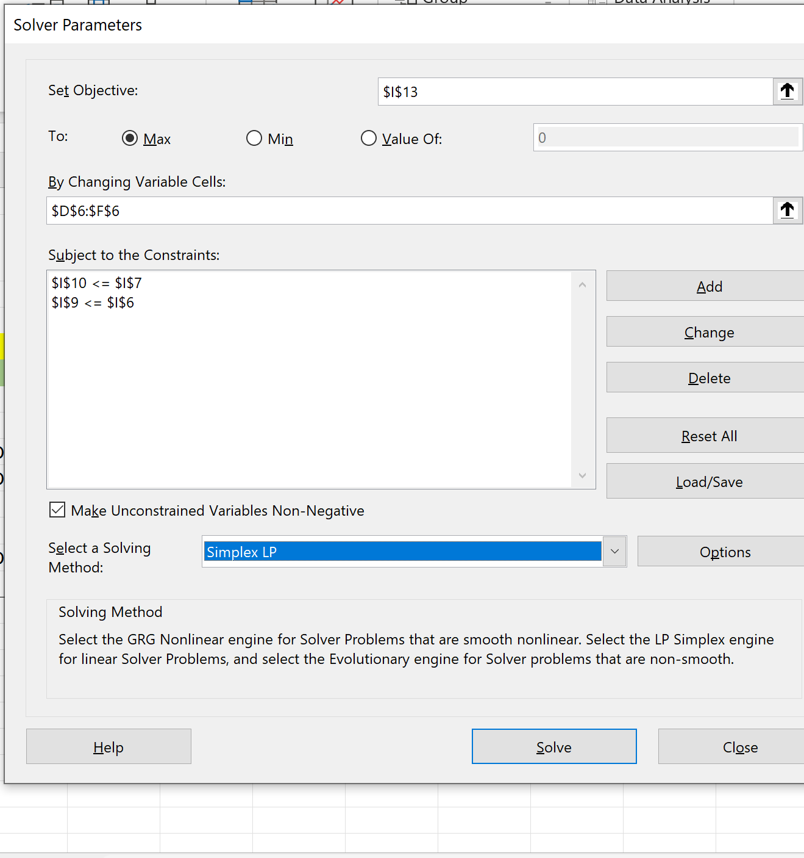
 |  | Mangos | Banana | Chocolate
 | Profit Margin | 50 | 30 | 40 | Total expenditure | 1000 | =D6*D11+E6*E11+F6*F11
 |  |  |  |  | Total space taken | 60 | =D6*D12+E6*E12+F6*F12
 | Cost | 40 | 20 | 50
 | Storage space | 4 | 6 | 2
 |  |  |  |  | Net Profit | 950 | =D6*D9+E6*E9+F6*F9

